Directions
Directions for Annual Instructional Minutes Worksheet

This workbook is composed of one Totals
Worksheet and 15 schedule worksheets.
 |  | Totals Worksheet

The Totals Worksheet will
compile information as you
complete each schedule worksheet.

Schedule Worksheet
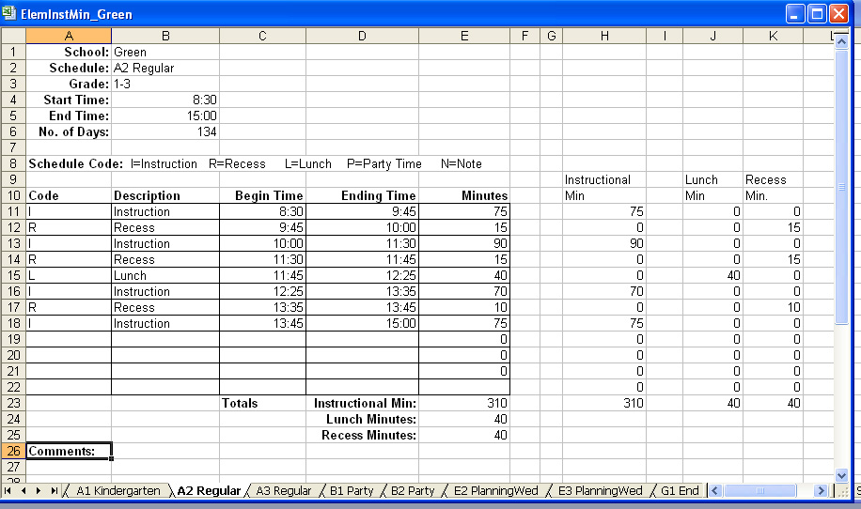

 | Start Now:
 | Click on the Totals Tab below.

